Creative Specs Reference Guide
Requirements & What to Provide KPM

Ad Type | Creative Specs | Copy Specs | Best Practices | What to Provide to KPM
Image | · 2:3 aspect ratio, or 1000 x 1500 pixels | · Title: 30 characters recommended (100 character limit) | Do not include a retailer call- out in the copy | · Minimum of 2 creative units (minimum of 2 ads as a best practice)
 |  | · Description: 500 character limit |  | · Copy for title & description
 |  |  |  | · Where the ad should be directing to
 |  |  |  | · Versioned out creaive by retailer with logos
Video | · We recommend making your videos square (1:1) or vertical (2:3 or 9:16) | · Title: 30 characters recommended (100 character limit) | Do not include a retailer call- out in the copy | · Minimum of 2 creative units (minimum of 2 ads as a best practice)
 | · Minimum of 4 seconds, recommend 6-15 seconds. | · Description: 500 character limit |  | · Copy for title & description
 |  |  |  | · Where the ad should be directing to
 |  |  |  | · Versioned out creaive by retailer with logos
Carousel | · 1:1 or 2:3 aspect ratio | · Title: 30 characters recommended (100 character limit) | Do not include a retailer call- out in the copy | · Minimum of 2 creative units (minimum of 2 ads as a best practice)
 | · 2-5 images per carousel | · Description: 500 character limit |  | · All images involved in each carousel
 |  |  |  | · Copy for title & description
 |  |  |  | · Where the ad should be directing to
 |  |  |  | · Versioned out creaive by retailer with logos

Creative Examples Below

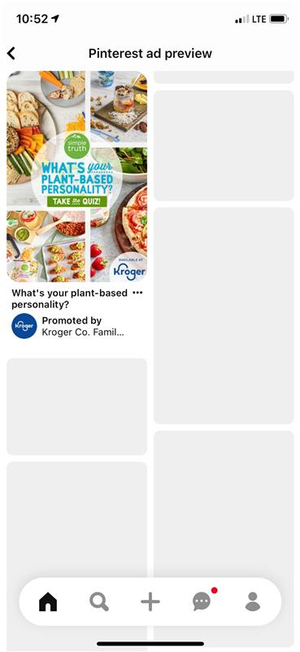


Description
Title

Title

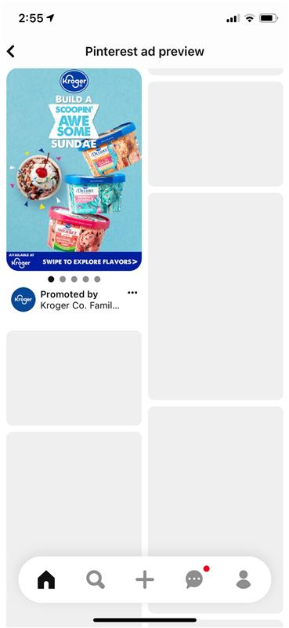

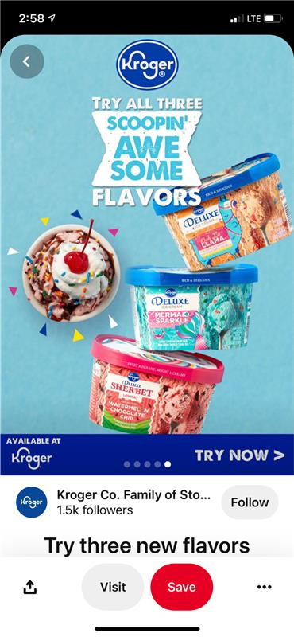
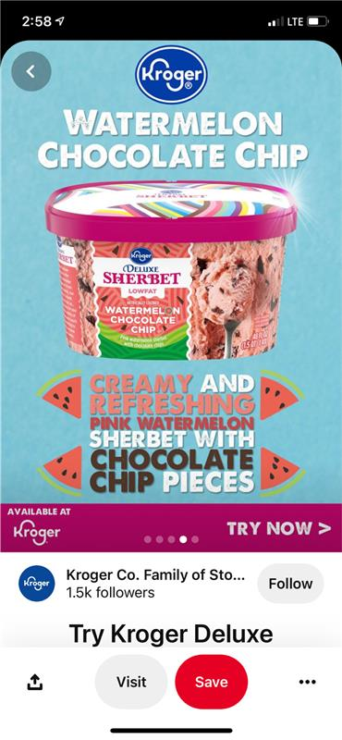
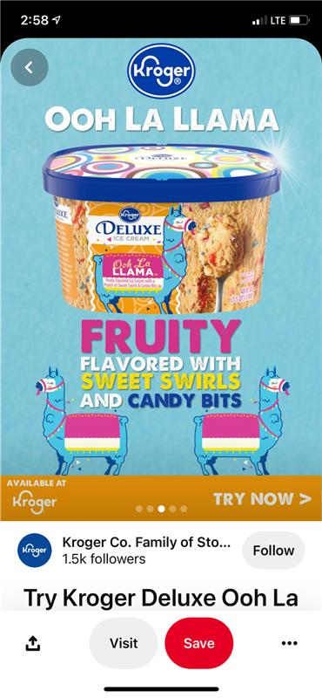
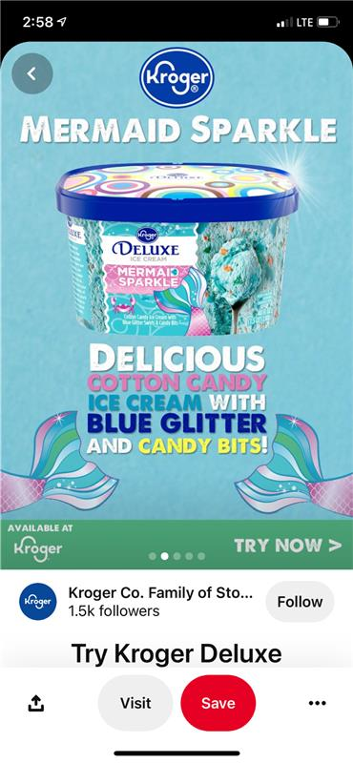

Title

Image Ad(s)
 |  |  |  |  |  | Example Creative

Description
Title

Ad Creative 1

File/Creative Name | Asset | Description | Requirements | Insert Text | Character Count
Insert File Name Here | Title | The title that displays under the creative & is the text shown in the feed. It's a brief landing page title or description or CTA. The purpose of a pin title is to give people more information about the content linked to your pin so they can decide if they want to engage with it. | 30 characters recommended (100 character limit) |  | 0
 | Description | Located below the image & title to describe brand/product. Include a variety of keywords related to your ad. The description is shown when you click on the creative to view it in a bigger screen. | 500 character limit |  | 0

Ad Creative 2

File/Creative Name | Asset | Description | Requirements | Insert Text | Character Count
Insert File Name Here | Title | The title that displays under the creative & is the text shown in the feed. It's a brief landing page title or description or CTA. The purpose of a pin title is to give people more information about the content linked to your pin so they can decide if they want to engage with it. | 30 characters recommended (100 character limit) |  | 0
 | Description | Located below the image & title to describe brand/product. Include a variety of keywords related to your ad. The description is shown when you click on the creative to view it in a bigger screen. | 500 character limit |  | 0

Video Ad(s)
 |  |  |  |  |  | Example Creative

Description
Title

Ad Creative 1

File/Creative Name | Asset | Description | Requirements | Insert Text | Character Count
Insert File Name Here | Title | The title that displays under the creative & is the text shown in the feed. It's a brief landing page title or description or CTA. The purpose of a pin title is to give people more information about the content linked to your pin so they can decide if they want to engage with it. | 30 characters recommended (100 character limit) |  | 0
 | Description | Located below the image & title to describe brand/product. Include a variety of keywords related to your ad. The description is shown when you click on the creative to view it in a bigger screen. | 500 character limit |  | 0

Ad Creative 2

File/Creative Name | Asset | Description | Requirements | Insert Text | Character Count
Insert File Name Here | Title | The title that displays under the creative & is the text shown in the feed. It's a brief landing page title or description or CTA. The purpose of a pin title is to give people more information about the content linked to your pin so they can decide if they want to engage with it. | 30 characters recommended (100 character limit) |  | 0
 | Description | Located below the image & title to describe brand/product. Include a variety of keywords related to your ad. The description is shown when you click on the creative to view it in a bigger screen. | 500 character limit |  | 0

